Sheet1
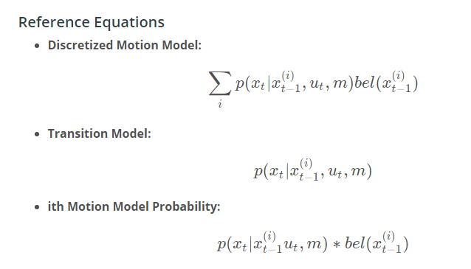
pseudo_position (x) | pre-pseudo_position | delta position | P(transition) | bel(x_{t-1}) | P(position) | bel(x_{t-1}) | P(position) | final probability | 2.01E-03
7 | 1 | 6 | 1.49E-06 | 5.56E-02 | 8.27E-08 | 5.55E-02 | 8.28E-08
7 | 2 | 5 | 1.34E-04 | 5.56E-02 | 7.44E-06 | 5.55E-02 | 7.45E-06
7 | 3 | 4 | 4.43E-03 | 5.56E-02 | 2.46E-04 | 5.55E-02 | 2.46E-04
7 | 4 | ? | 5.40E-02 | 0.00E+00 | 0.00E+00 | 0.00E+00 | 0.00E+00
7 | 5 | 2 | ? | 0.00E+00 | 0.00E+00
7 | 6 | 1 | 3.99E-01 | 0.00E+00 | 0.00E+00 | 0.00E+00 | 0.00E+00
7 | 7 | 0 | 2.42E-01 | ? | 1.66E-03 | 6.86E-03
7 | 8 | -1 | 5.40E-02 | 1.79E-03 | ? |  | 9.67E-05

